dcb4e2d0e72c0b445d8e8ee04cbd5dc
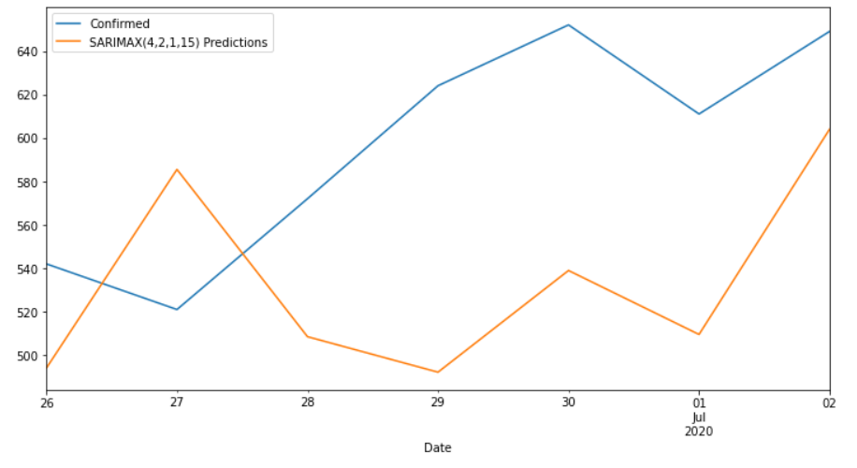
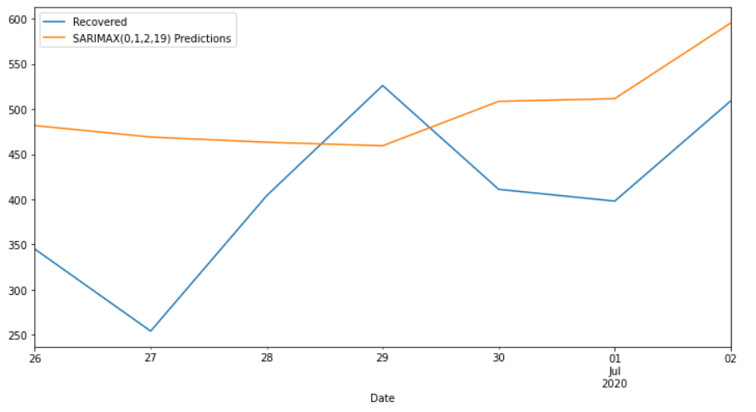
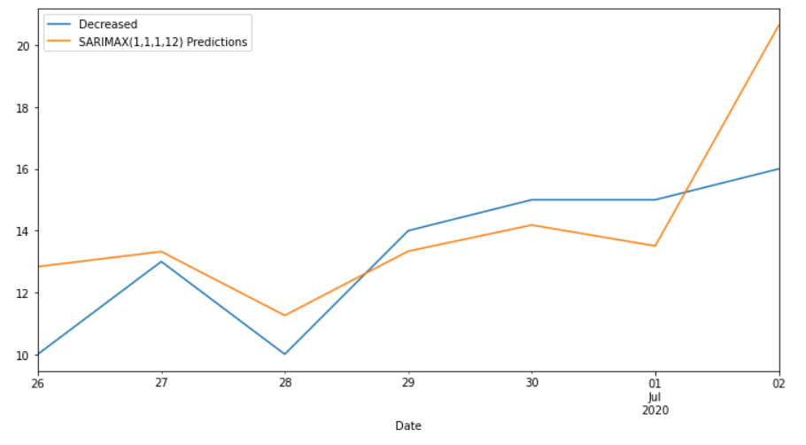
Date | Confirmed | Predicted_Confirmed | Recovered | Predicted_Recovered | Decreased | Predicted_Decreased
2020-06-26 | 542 | 494.07739628 | 345 | 481.66346599 | 10 | 12.835392775
2020-06-27 | 521 | 585.47917598 | 254 | 468.96482422 | 13 | 13.323360166
2020-06-28 | 572 | 508.49444906 | 404 | 463.19261702 | 10 | 11.255856122
2020-06-29 | 624 | 492.16043153 | 526 | 459.29879436 | 14 | 13.335924547
2020-06-30 | 652 | 538.95377249 | 411 | 508.47014238 | 15 | 14.182661356
2020-07-01 | 611 | 509.51701056 | 398 | 511.46261865 | 15 | 13.506051821
2020-07-02 | 649 | 603.95623614 | 509 | 595.34069008 | 16 | 20.645726246
MAPE |  | 13.48% |  | 31.54% |  | 13.23%

